HTTP overview and web.xml
Servlet is a small java program run on a WebServer to help build dynamic web pages

REQUEST ( method, url, header, body)
Request header example:
GET / HTTP/1.1
Host: www.facebook.com
Accept: text/html,application/xhtml+xml,application/xml;q=0.9,image/webp,*/*;q=0.8
Accept-Charset: ISO-8859-1,utf-8;q=0.7,*;q=0.3
Connection: keep-alive
Cookie: sb=xyz123; datr=abc456; fr=0a1b2c3d4e5f6g7h8i9j
Referer: https://www.google.com/
If-Modified-Since: Wed, 21 Oct 2020 07:28:00 GMT
User-Agent: Mozilla/5.0 (Windows NT 10.0; Win64; x64) AppleWebKit/537.36 (KHTML, like Gecko) Chrome/91.0.4472.124 Safari/537.36

• It can also send a number of headers: – Accept The MIME types the browser prefers. – Accept-Charset The character set the browser expects. – Content-Length (for POST messages, how much data is attached) – Connection Use persistent connection? If a servlet gets a Keep-Alive. – Cookie (one of the most important headers) – Host (host and port as listed in the original URL) – If-Modified-Since (only return documents newer than this) – Referer (the URL of the page containing the link the user followed to get to current page) | 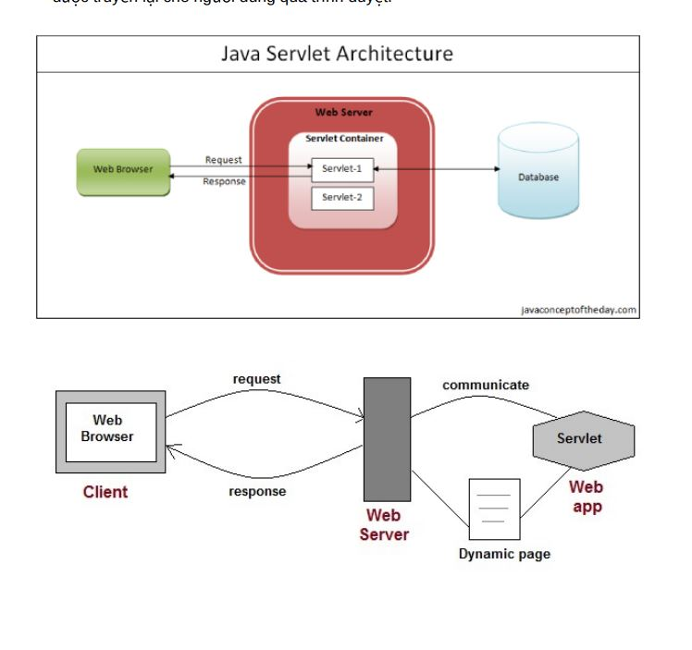

• HTTP 1.1 defines the following request methods(7):
– GET - retrieves the resource identified by the request URL.
– HEAD - returns the headers identified by the request URL.
– POST - sends data of unlimited length to the web server.
– PUT - stores a resource under the request URL.
– DELETE - removes the resource identified by the request URL.
– OPTIONS - returns the HTTP methods the server supports.
– TRACE - returns the header fields sent with the TRACE request.

RESPONSE ( code, header, body)
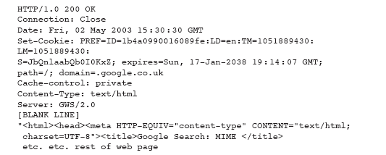

Commonly status code
– 404 - indicates that the requested resource is not available. – 401 - indicates that the request requires HTTP authentication. – 500 - indicates an error inside the HTTP server which prevented it from fulfilling the request. – 503 - indicates that the HTTP server is temporarily overloaded, and unable to handle the request. - 101 Switching Protocols Server will comply with Upgrade header and change to different protocol. (New in HTTP 1.1) - 200 OK Everything's fine; document follows for GET and POST requests. This is the default for servlets; if you don't use setStatus, you'll get this. - 201 Created Server created a document; the Location header indicates its URL. - 202 Accepted Request is being acted upon, but processing is not completed. - 203 Non-Authoritative Information Document is being returned normally, but some of the response headers might be incorrect since a document copy is being used.

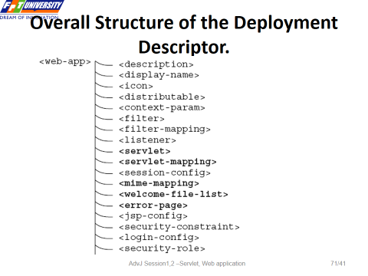
Java Web App structure
Construct the file and directory structure of a Web Application that may contain:
– static content,
– JSP pages,
– servlet classes,
– the deployment descriptor (web.xml)
– tag libraries,
– JAR files and Java class files;

JSP
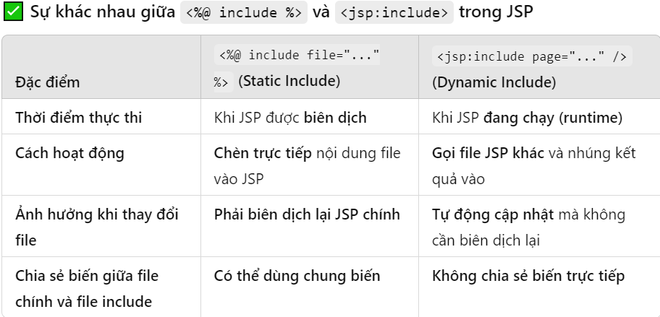
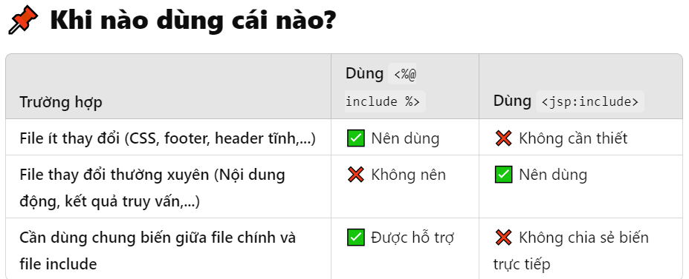
How JSP work

1. Request: User requests a JSP page.
2. Translation: JSP file is translated into a Java servlet source file. (.java)
3. Compilation: Java servlet source file is compiled into a servlet class. (.class)
4. Loading: Compiled servlet class is loaded into memory.
5. Execution: Servlet's service method generates and sends the response.
6. Subsequent Requests: For subsequent requests, the already compiled servlet class (.class file) is used unless the JSP file is modified. If modified, the process from translation to execution is repeated.

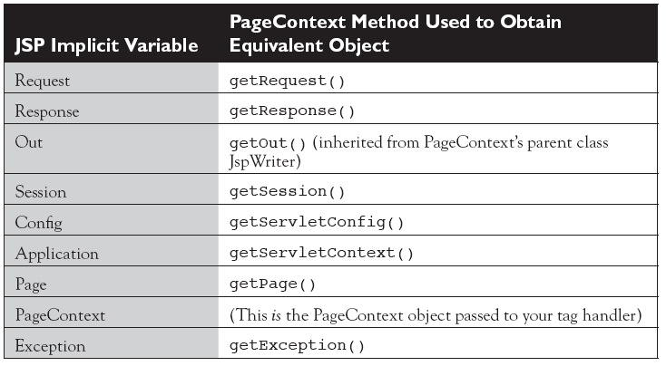
JSP predefined-variable
• request – Object of HttpServletRequest (request parameters, HTTP headers, cookies, session)
• response – Object of HttpServletResponse
• exception – Dùng để xử lí lỗi , chỉ có trong errorPage = “true”
• out - Object of PrintWriter buffered version JspWriter
• session - Object of HttpSession asociated with the requests
• application - Object of ServletContext shared by all servlets in the engine
• config - Object of ServletConfig
• pageContext - giúp truy cập & quản lý toàn bộ phạm vi dữ liệu (page, request, session, application).
✔ Dùng pageContext khi cần:
• Tìm biến từ nhiều phạm vi (findAttribute())
• Chuyển trang dễ dàng (pageContext.forward()) , ko cần RequestDispatcher
• Lấy request, response, servletContext nhanh chóng
• Lưu trữ dữ liệu chỉ trong trang hiện tại

• page – variable synonym for this object (page thực chất là Servlet mà JSP được biên dịch thành.)

Các loại phần tử chính của JSP
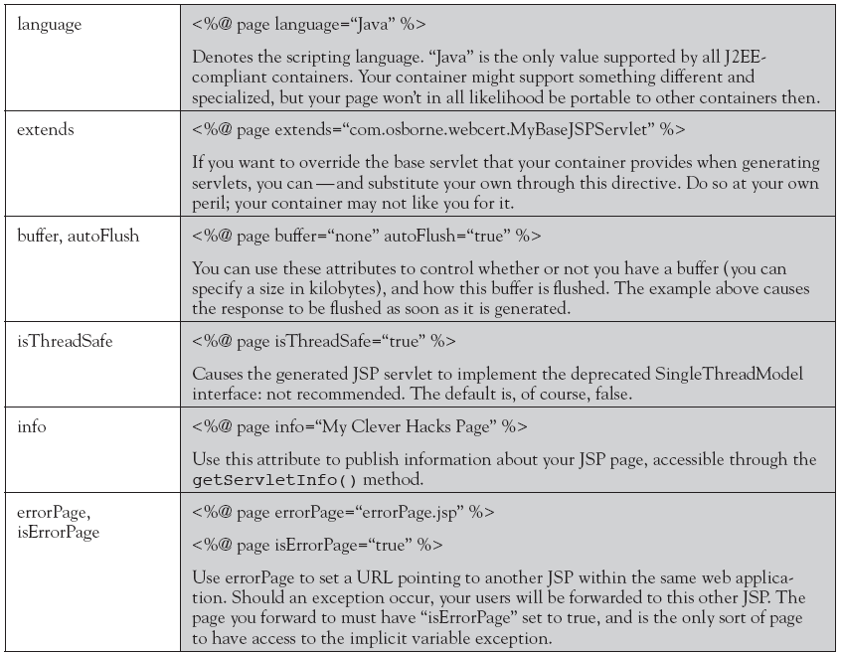
1. JSP Directives (Cấu hình JSP)
1. Page <%@ page attributeName=“value" import=”java.io.*” %>
2. Import <%@ include file=“relativeURL " %>
3. taglib <%@ uri = … prefix = … %> (reference to a tag library)

2. JSP Scripting Elements(Chứa mã Java thuần trong JSP):
• declaration <%! %> (declare a variable or method) , (Khai báo biến hoặc phương thức Java)
• expression <%= %> ( the value is converted to string ), (Xuất giá trị ra HTML)
• scriptlet <% %> (When this JSP code is translated into a servlet, it will be placed inside the _jspService(HttpServletRequest request, HttpServletResponse response) method ) (giống php: để Viết code Java bên trong JSP)

3. Standard Actions (các thẻ XML-like bắt đầu bằng <jsp:..>)
( thay thế scripting element để thực thi công việc 1 cách gọn gàng):

SP Action Tags | Description

jsp:forward → forwards the request and response to another resource.
jsp:include → includes another resource.
jsp:useBean → creates or locates bean object.
jsp:setProperty → sets the value of property in bean object.
jsp:getProperty → prints the value of property of the bean.
jsp:plugin → embeds another component such as an applet.
jsp:param → sets the parameter value. It is used in forward and include mostly.
jsp:fallback → can be used to print the message if plugin is working. It is used in jsp:plugin.

<jsp:include page="includedPage.jsp" /> vs <%@ include file=“ includedPage.jsp " %> (include directive)

Custom Tag
Java code can be avoided using custom tags
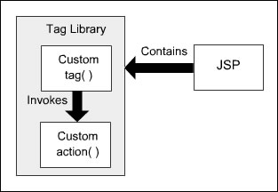

 |  | Custom tags:
 |  | 1. can be reused
 |  | 2. Written using XML syntax
 |  | 3. The 3 different types of custom tags are
 |  | Empty tag : | <mytags:simpleTag />
 |  | Tag with attributes : | <mytags:attributeTag attr1="value1" attr2="value2" />
 |  | Body tags : | <mytags:bodyTag>
 |  |  |  | <p>This is some body content.</p>
 |  |  | </mytags:bodyTag>

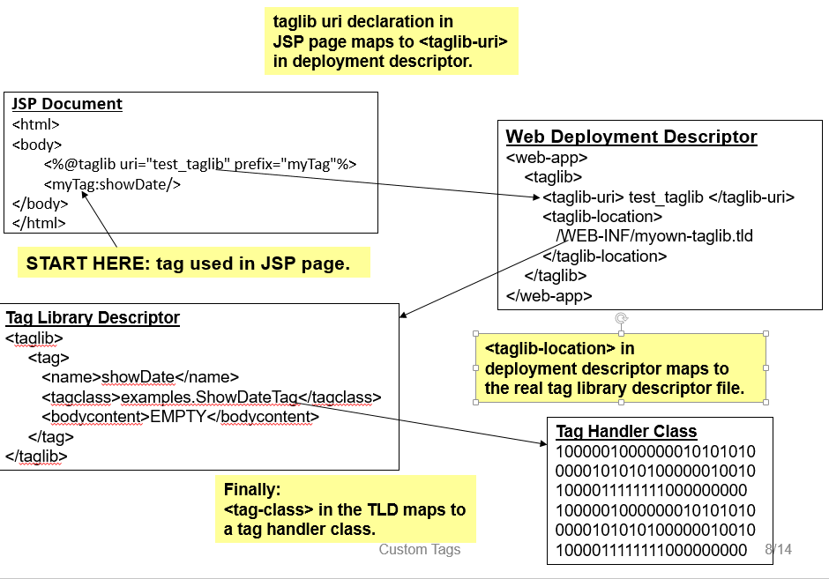
4 Steps to wrrite a custom tag :
 | Writing a Java class called a tag handler
 | Defining the tag within a tag library definition (.TLD) file.
 | Providing details of where to find the TLD file in the deployment descriptor, web.xml
 | Referencing the TLD file in your JSP page source and using the tags from it

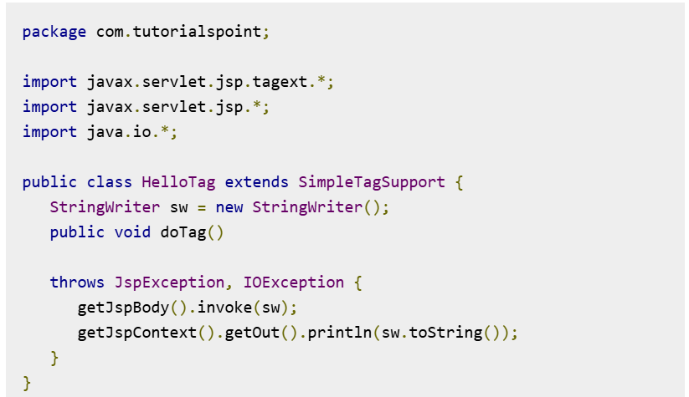
 |  | tag class example

Java Bean
